Statistical Insights
 | 1st Moment |  |  | 2nd Moment |  |  | 3rd moment |  |  | 4th moment |  |  | Graphical Representation
 |  |  |  |  |  |  |  |  |  |  |  |  | Univariate |  |  |  |  |  | Bivariate |  |  | Multivariate
Column Names | mean/median/mode | Statistical Insight | Data Preprocessing | variance/stdev/range | Statistical Insight | Data Preprocessing | Skewness | Statistical Insight | Data Preprocessing | Kurtosis | Statistical Insight | Data Preprocessing | Histogram | Statistical Insight | Data Preprocessing | Boxplot | Statistical Insight | Data Preprocessing | Scatter plot (2 columns are continuous)/other Discrete data plots | Statistical Insight | Data Preprocessing | Multivariate | Statistical Insight | Data Preprocessing
lane_count | mean: 2.1990 median:2.0 mode:2 | Lane_count is centered around 2 with a nearly symmetric distribution and slight right skew. | Minimal preprocessing needed; just check for outliers, missing values, and correct data type | variance:0.61805 standard devition:0.78616 range:3 | The data shows low variability with a small spread (std ≈ 0.78, range = 3). | No preprocessing needed as variability is low and data is stable. | skewness:0.9632 | Skewness ≈ 0.96 indicates a moderately right-skewed distribution. | Consider transformation (e.g., log) to reduce skewness for better modeling. | kurtosis:0.7469 | Kurtosis ≈ 0.75 indicates a slightly heavy-tailed distribution (mild outliers present). | Check for mild outliers; no major preprocessing required | 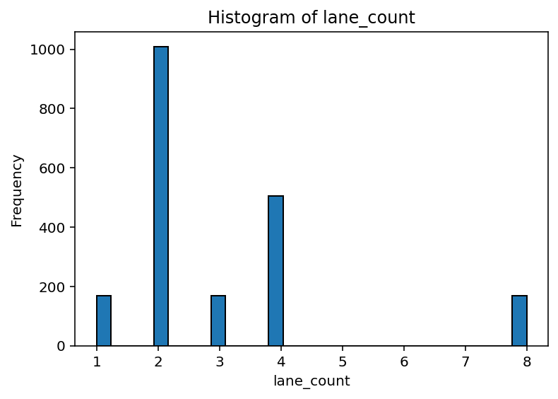 | The distribution is discrete and slightly right-skewed with most values concentrated at 2 and 4 lanes. | No major preprocessing required; data is clean and categorical/discrete in nature. | 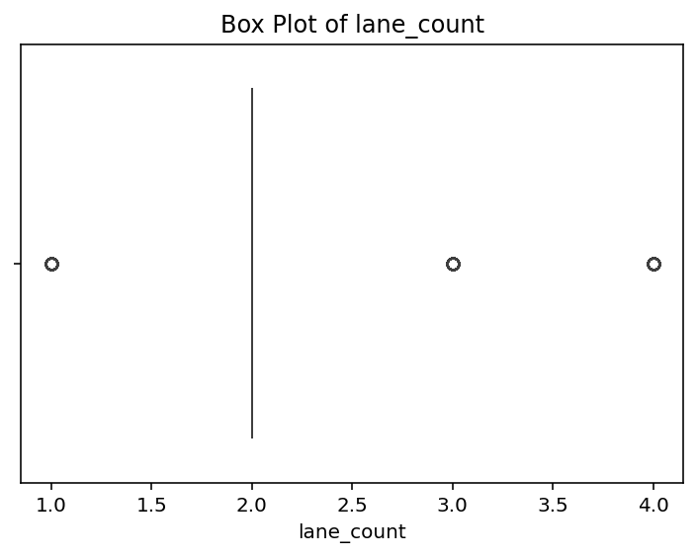 | The data is centered around 2 lanes with a few outliers at higher values (3–4). | Outliers are valid (real-world values), so no removal required. | 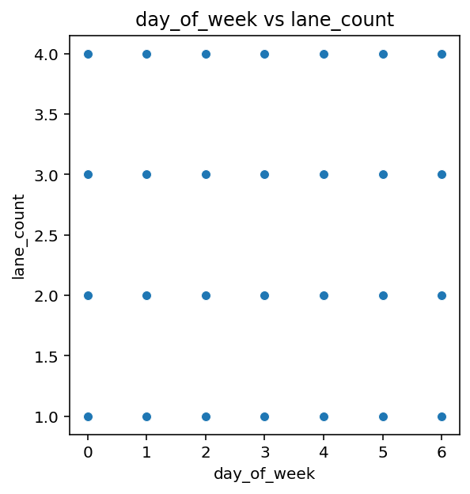 | There is no correlation between day_of_week and lane_count (values are evenly distributed). | No preprocessing required; variables are independent and clean.
speed_limit_kmph | mean: 53.3001 median:51.0 mode:51 | The distribution is slightly right-skewed with most values concentrated around 51. | Check for outliers and skewness, but no major preprocessing is required. | variance:66.2102 standard devition:8.1369 range:29 | The data shows high variability with a wide spread (std ≈ 8.14, range = 29). | Check for outliers and consider normalization or scaling due to high variance. | skewness:0.5802 | Skewness ≈ 0.58 indicates a slightly right-skewed distribution. | Minor skewness—transformation optional depending on model needs. | kurtosis:-0.1218 | Kurtosis ≈ -0.12 indicates a slightly light-tailed (flatter) distribution. | No preprocessing needed as extreme values are minimal. | 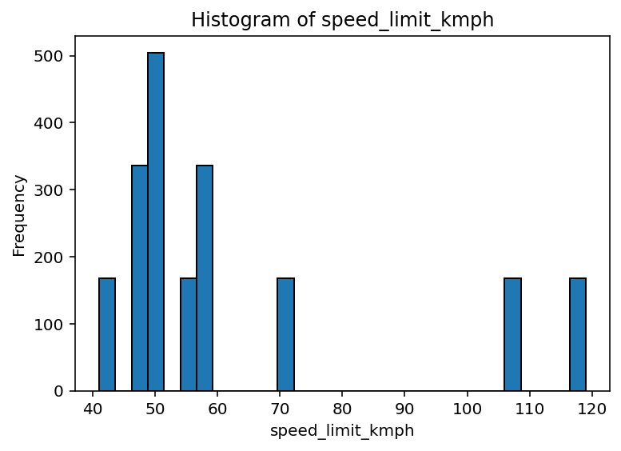 | The distribution is right-skewed with most values concentrated between 50–60 kmph and few high-speed outliers (100+). | Check for high-speed outliers and consider binning or normalization if used in modeling. | 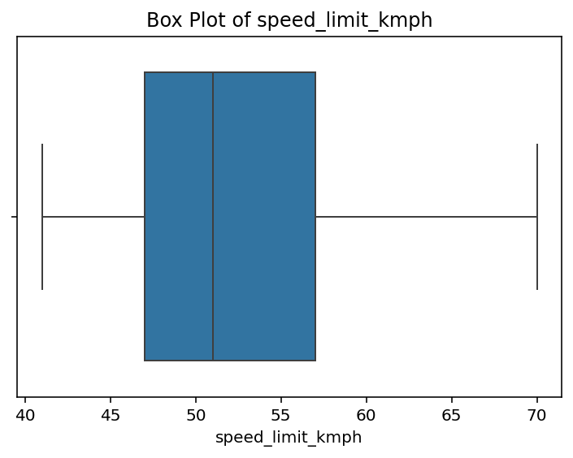 | The data is moderately spread with median around 50–52 kmph and no significant outliers. | The data is moderately spread with median around 50–52 kmph and no significant outliers. | 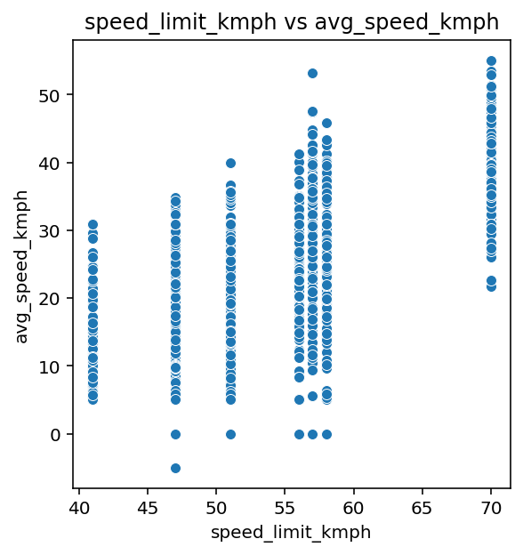 | There is a positive correlation between speed_limit_kmph and avg_speed_kmph. | Check for outliers (near 0 speeds) and handle them if necessary.
blackspot_score | mean: 0.1964 median:0.228 mode:0.127 | The distribution is slightly left-skewed with most values concentrated between ~0.12 and ~0.23. | Check for skewness and potential low-end outliers; normalization may help. | variance:0.00699 standard devition:0.0836 range:0.264 | The data has extremely low variability (std ≈ 0.084, very small range), indicating tightly clustered values. | No preprocessing required due to very low variance and stable distribution. | skewness:-0.2504 | Skewness ≈ -0.25 indicates a slightly left-skewed distribution. | No major preprocessing needed; skewness is minimal. | kurtosis:-1.2903 | Kurtosis ≈ -1.29 indicates a strongly light-tailed (platykurtic) distribution with very few outliers. | No outlier treatment needed; data is smooth and well-distributed. | 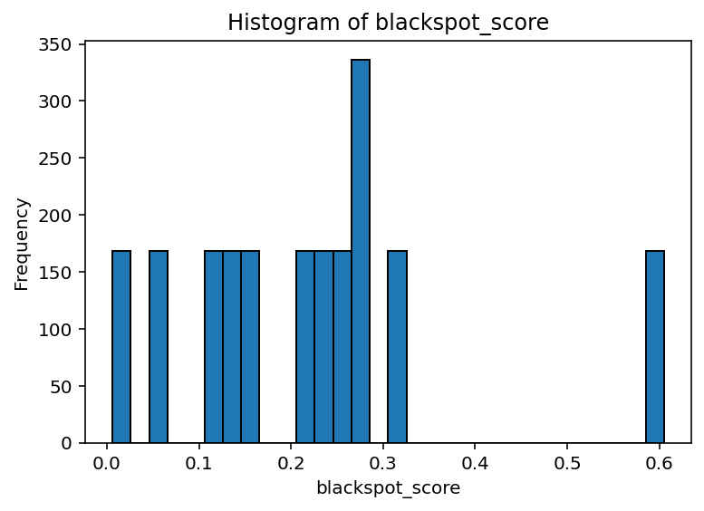 | The distribution is slightly right-skewed with most values concentrated between 0.1–0.3 and few higher outliers (~0.6). | Check for outliers and consider normalization if used in modeling. | 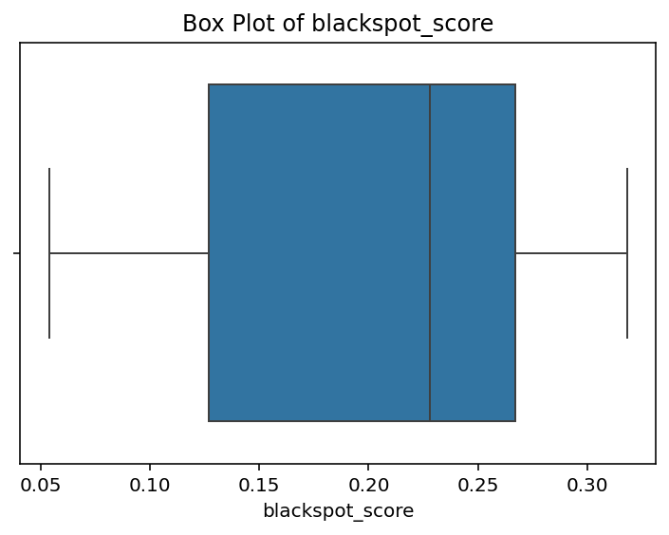 | The data is moderately spread with median around ~0.23 and no significant outliers. | No preprocessing required as there are no extreme outliers. | 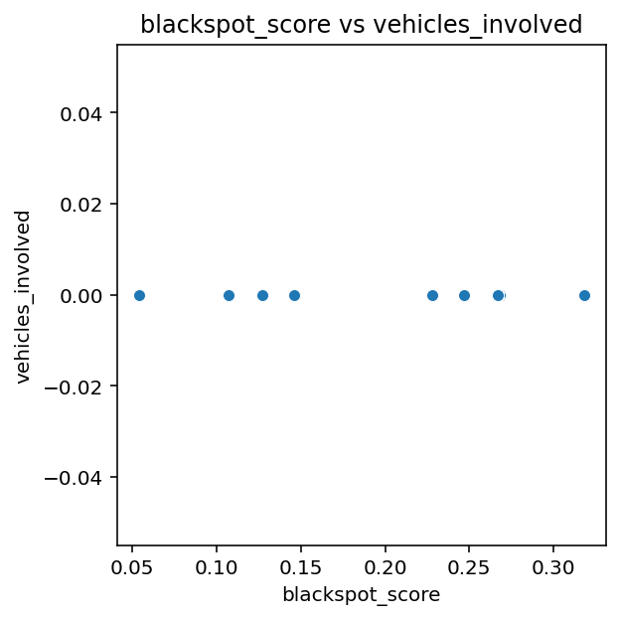 | No visible correlation between blackspot_score and vehicles_involved (values are constant/zero). | Feature likely needs removal or correction due to lack of variation.
latitude | mean: 17.4033 median:17.395129 mode:17.382975 | Mean, median, and mode are almost identical, indicating a highly symmetric and stable distribution. | No preprocessing required as there is no skewness or outlier concern. | variance:0.0105 standard devition:0.1028 range:0.3369 | The data shows very low variability (std ≈ 0.10) with a narrow range, indicating tightly clustered values. | No preprocessing required due to low variance and stable distribution. | skewness:0.3701 | Skewness ≈ 0.37 indicates a slight right-skewed distribution. | No significant preprocessing needed; skewness is minimal. | kurtosis:-0.7915 | Kurtosis ≈ -0.79 indicates a moderately light-tailed (platykurtic) distribution with fewer outliers. | No major preprocessing needed as extreme values are minimal. | 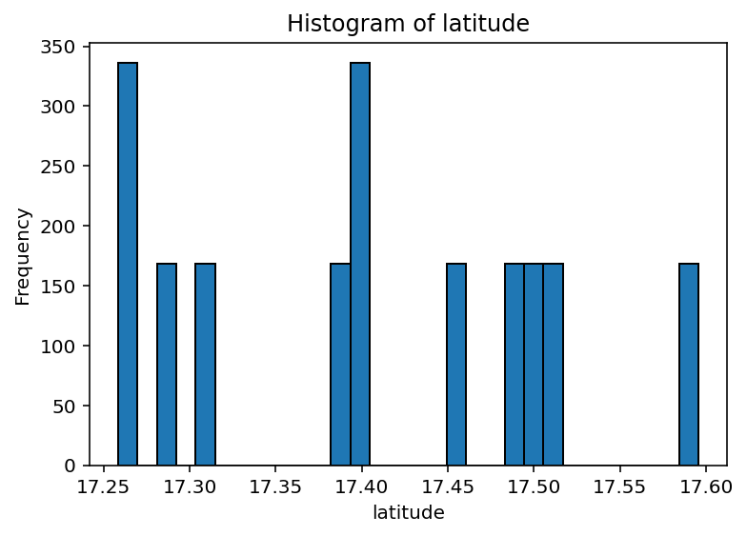 | The distribution is fairly uniform with slight clustering around specific latitude ranges (~17.25, 17.40, 17.50). | No major preprocessing required; consider grouping into geographic clusters if needed. | 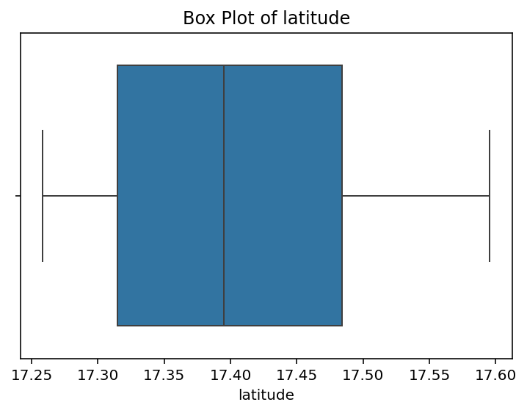 | The data is evenly distributed with median around ~17.4 and no significant outliers. | No preprocessing required as there are no outliers. | 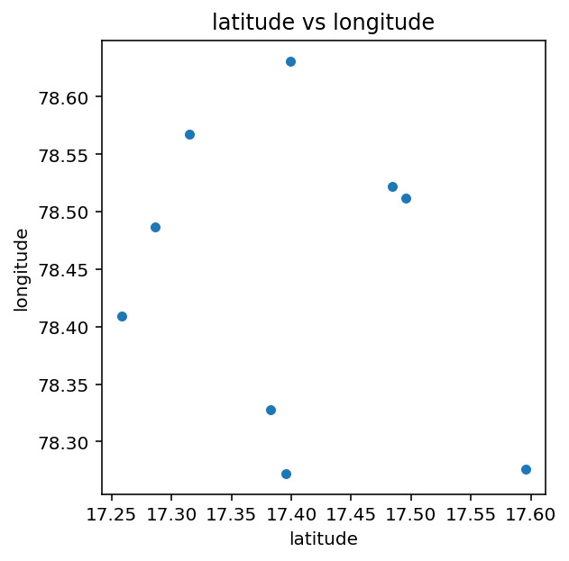 | There is no strong linear correlation, but points form geographic clusters. | Consider geo-clustering (e.g., K-means) for spatial analysis.
longitude | mean: 78.4435 median:78.486 mode:78.327 | Mean, median, and mode are nearly equal, indicating a symmetric and well-balanced distribution. | No preprocessing required since there is no skewness or outlier issue. | variance:0.0154 standard devition:0.1241 range:0.35900 | The data has low variability (std ≈ 0.12) with a small range, indicating closely clustered values. | No preprocessing required due to low variance and stable distribution. | skewness:-0.1044 | Skewness ≈ -0.10 indicates an almost symmetric distribution. | No preprocessing required as skewness is negligible. | kurtosis:-1.3667 | Kurtosis ≈ -1.37 indicates a strongly light-tailed (platykurtic) distribution with very few outliers. | No outlier treatment needed; data is smooth and stable. | 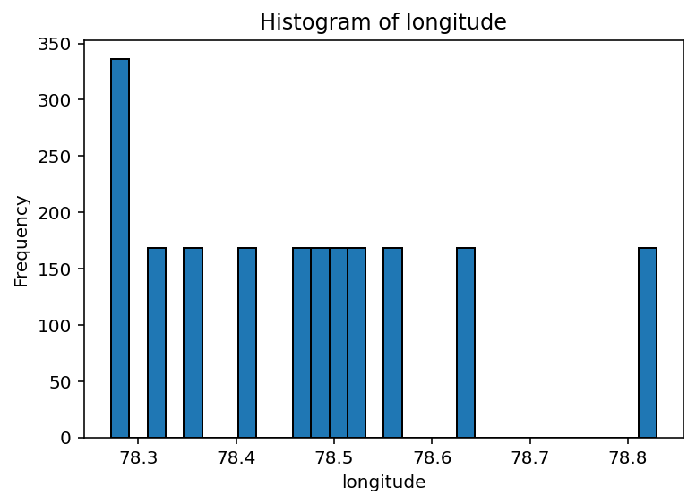 | The distribution is fairly uniform with slight clustering around key longitude ranges (~78.3–78.5). | No major preprocessing required; clustering or geo-binning can be applied if needed. | 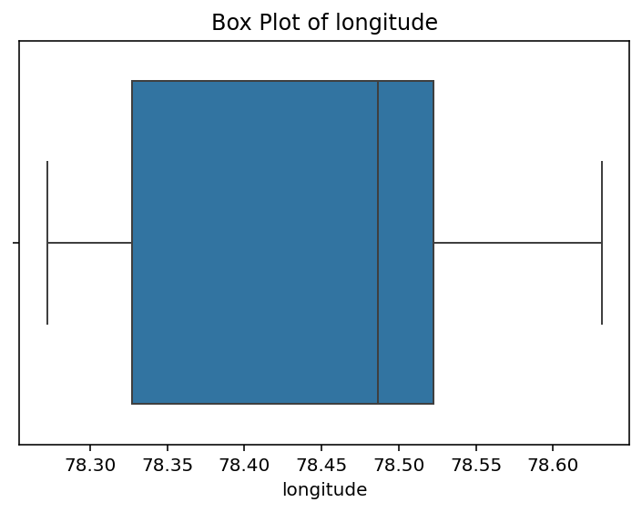 | The data is evenly distributed with median around ~78.5 and no significant outliers. | No preprocessing required as there are no outliers or skewness issues. |  | No strong linear relationship, but clear clustering of geographic points. | Apply geo-clustering techniques (e.g., K-means/DBSCAN) for better spatial insights.
day_of_week | mean: 2.9984 median:3.0 mode:5 | Mean and median are ~3 but mode is 5, indicating a slightly skewed distribution with a frequent higher value. | Check distribution spread and frequency imbalance; no major cleaning required. | variance:4.0031 standard devition:2.0007 range:6 | The data shows moderate variability (std ≈ 2.0) with a reasonable spread (range = 6). | Check for mild outliers; scaling may help depending on the model. | skewness:-0.0031 | Skewness ≈ -0.003 indicates a perfectly symmetric distribution. | No preprocessing required due to near-zero skewness. | kurtosis:-1.2519 | Kurtosis ≈ -1.25 indicates a strongly light-tailed (platykurtic) distribution with very few outliers. | No outlier treatment required; data is smooth and stable. | 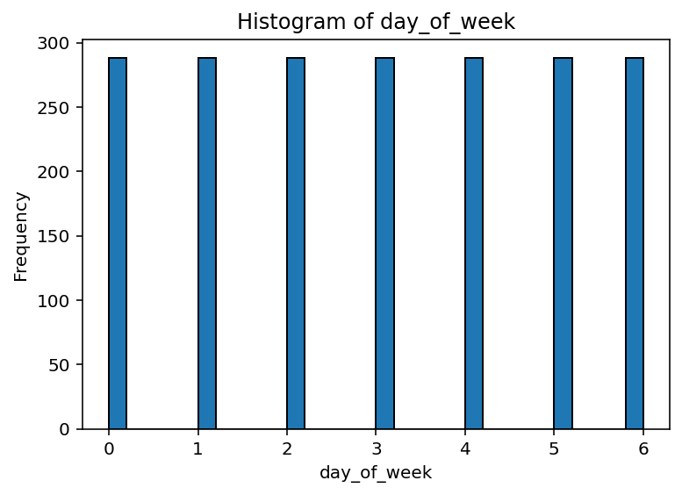 | The distribution is uniform across all days (0–6), indicating no skew or imbalance. | No preprocessing needed; data is well-balanced and categorical. | 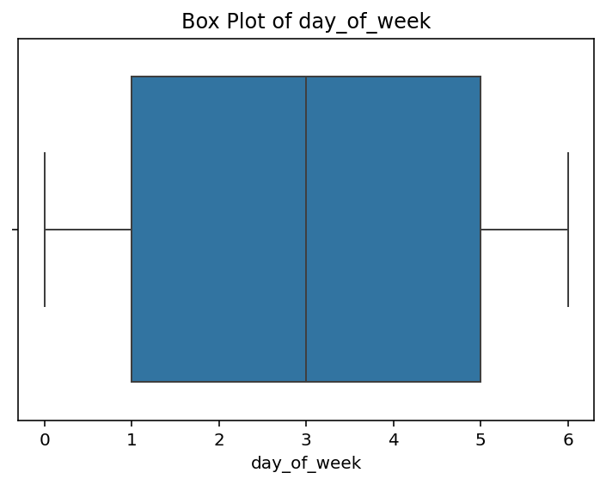 | The data is uniformly distributed across all days (0–6) with no skew or outliers. | The data is uniformly distributed across all days (0–6) with no skew or outliers. |  | No correlation between day_of_week and lane_count (completely independent variables). | No preprocessing required; features are independent and clean.
hour_of_day | mean: 11.2282 median:11.0 mode:13 | Mean and median are close (~11) but mode is higher (13), indicating slight right-side concentration. | Check for distribution imbalance; no major preprocessing required. | variance:48.0435 standard devition:6.9313 range:23 | The data shows high variability (std ≈ 6.93) with a wide range, indicating significant spread. | Check for outliers and apply scaling or normalization due to high variance. | skewness:0.0649 | Skewness ≈ 0.06 indicates an almost perfectly symmetric distribution. | No preprocessing required due to negligible skewness. | kurtosis:-1.1853 | Kurtosis ≈ -1.19 indicates a strongly light-tailed (platykurtic) distribution with very few outliers. | No outlier treatment needed; data is smooth and stable. | 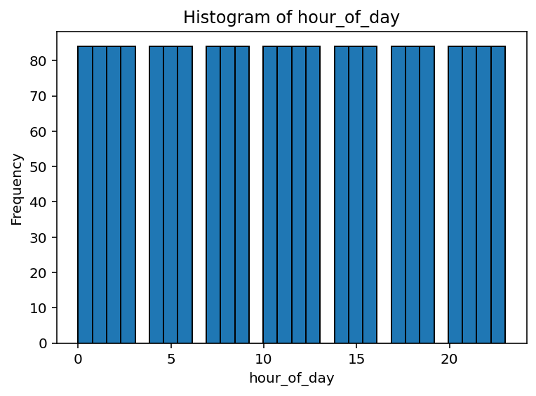 | The distribution is uniform across all hours (0–23), indicating no time-based skew. | No preprocessing needed; data is balanced and well-distributed. | 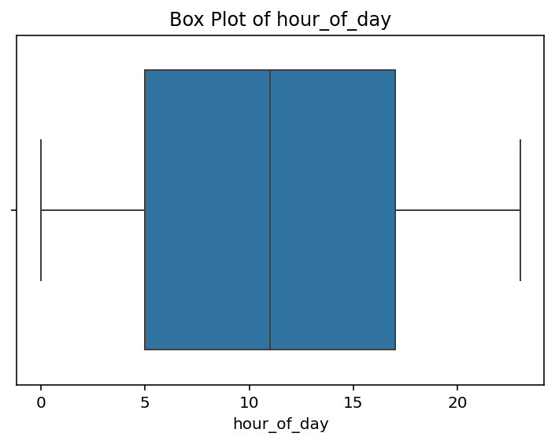 | The data is uniformly distributed across all hours (0–23) with no skew or outliers. | No preprocessing required; data is balanced and well-distributed. | 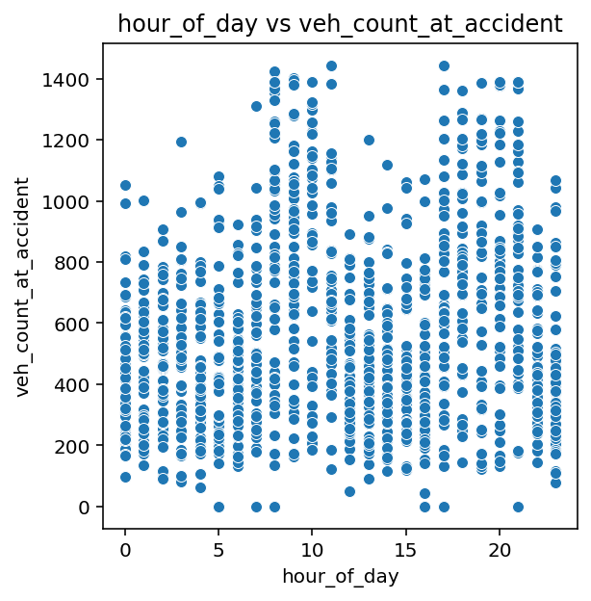 | No strong linear correlation, but higher density appears during certain hours (peak times). | Consider time-based feature engineering (peak vs non-peak hours).
vehicle_count_per_hr | mean: 551.6674 median:484.0 mode:0 | Mean is much higher than median with mode at 0, indicating a highly right-skewed distribution with many zeros and some extreme high values. | Strong preprocessing needed—handle zeros, outliers, and consider transformation (e.g., log scaling). | variance:94614.9193 standard devition:307.5953 range:1445 | The data has extremely high variability (std ≈ 307.6) with a very wide range, indicating strong dispersion and possible outliers. | Strong preprocessing required—detect and treat outliers, and apply scaling or transformation | skewness:0.7765 | Skewness ≈ 0.78 indicates a moderately right-skewed distribution. | Consider transformation (e.g., log) to reduce skewness for better modeling. | kurtosis:-0.0262 | Kurtosis ≈ -0.03 indicates an almost normal (mesokurtic) distribution. | No preprocessing required as distribution is close to normal. | 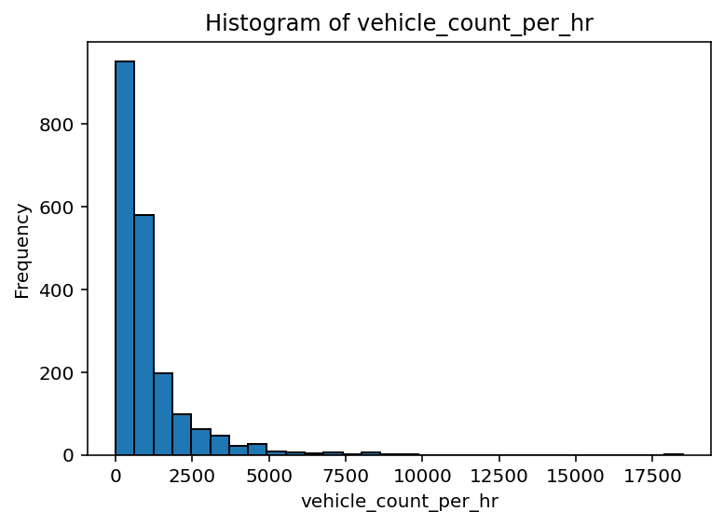 | The distribution is highly right-skewed with most values low and few extreme high outliers. | Handle outliers and consider log transformation due to strong skewness. | 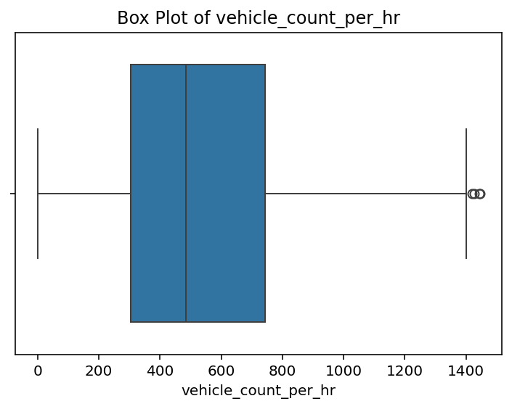 | The data is right-skewed with several high-value outliers beyond the upper range. | Handle outliers and consider log transformation due to skewness. | 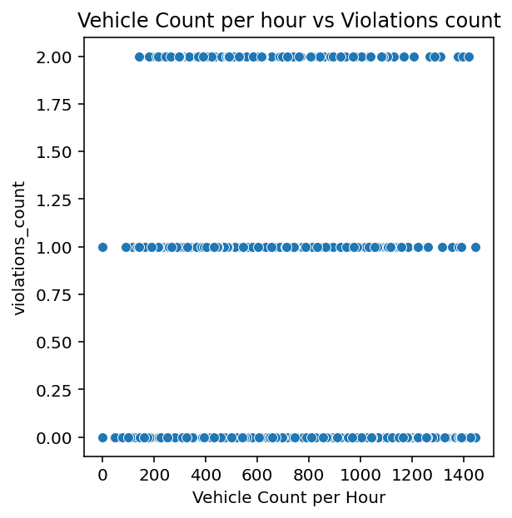 | No strong correlation between vehicle count and violations (violations remain low across all traffic levels). | Treat violations as categorical/discrete; no major preprocessing needed.
avg_speed_kmph | mean: 23.1228 median:22.9 mode:30.9534 | Mean and median are close (~23) but mode is higher (~31), indicating slight right-side concentration. | Check distribution imbalance and possible clusters; no major preprocessing required. | variance:127.06065 standard devition:11.2721 range:60.1 | The data shows high variability (std ≈ 11.27) with a wide range, indicating significant dispersion. | Check for outliers and apply scaling or normalization due to high variance. | skewness:0.2151 | Skewness ≈ 0.22 indicates a slight right-skewed distribution. | No significant preprocessing required; skewness is minimal. | kurtosis:-0.5281 | Kurtosis ≈ -0.53 indicates a moderately light-tailed (platykurtic) distribution. | No major preprocessing required as extreme values are minimal. | 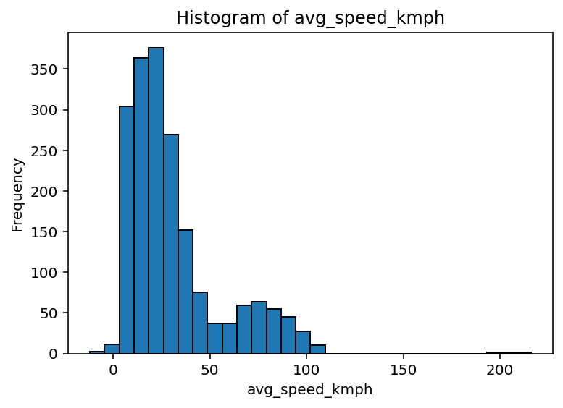 | The distribution is right-skewed with most speeds between 20–40 kmph and few high-speed outliers. | Handle outliers and consider normalization or log transformation due to skewness. | 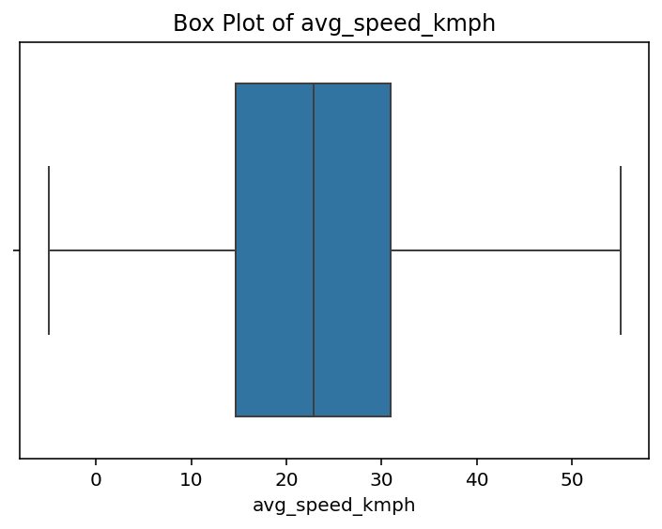 | The data shows moderate spread with median around ~22–25 kmph and no significant outliers. | No preprocessing required as there are no extreme outliers. | 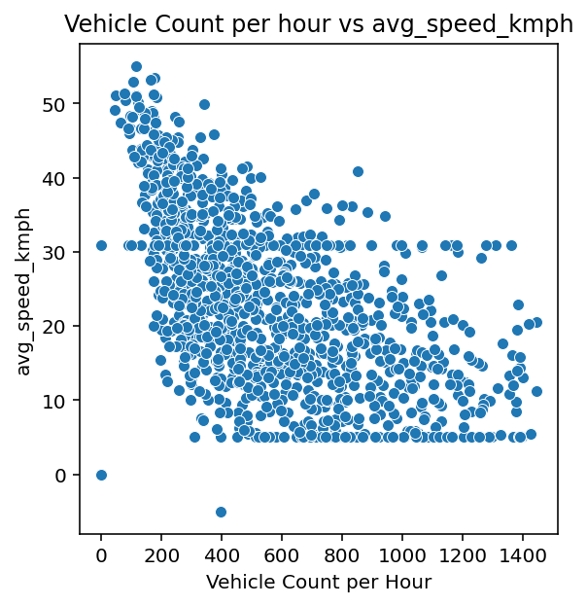 | There is a strong negative correlation between vehicle count and average speed. | Check for outliers and consider normalization for modeling.
green_duration_s | mean: 33.1674 median:34.0 mode:0 | Mean is slightly less than median with mode at 0, indicating left skew with many zero values. | Handle zero values carefully (missing vs valid) and check for skewness. | variance:1022.882 standard devition:31.9825 range:90 | The data exhibits very high variability (std ≈ 31.98) with a large range, indicating strong dispersion and potential outliers. | Strong preprocessing needed—detect outliers and apply scaling or transformation. | skewness:0.2290 | Skewness ≈ 0.23 indicates a slight right-skewed distribution. | No preprocessing needed as skewness is minimal | kurtosis:-1.4941 | Kurtosis ≈ -1.49 indicates a strongly light-tailed (platykurtic) distribution with very few outliers. | No outlier treatment needed; data is smooth and well-distributed. | 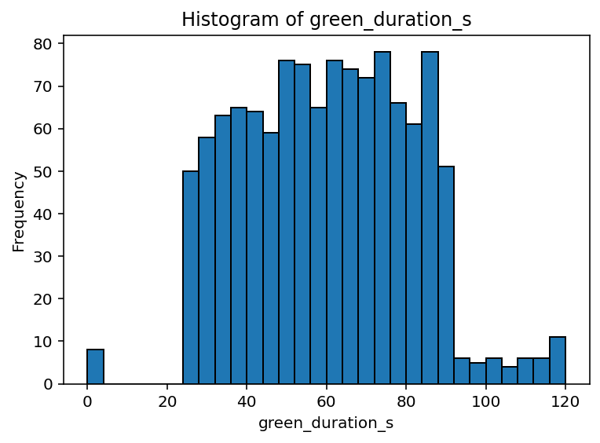 | The distribution is slightly right-skewed with most values between 40–80 seconds and few higher outliers. | Check for outliers and consider normalization if used in modeling. | 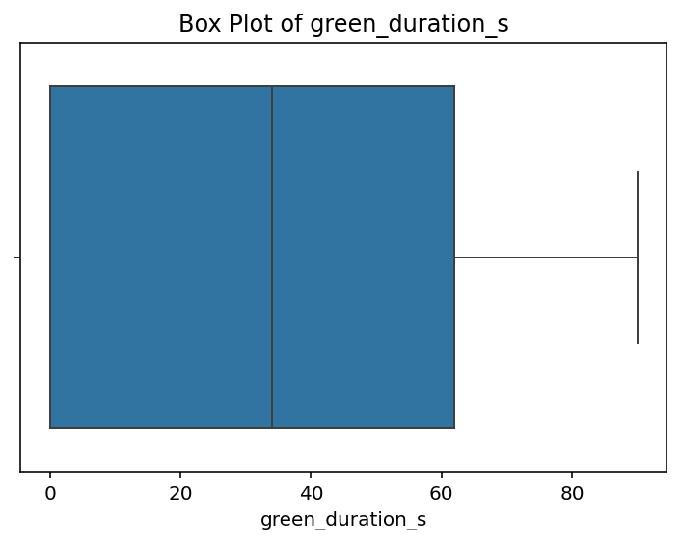 | The data is slightly right-skewed with a wide spread and no extreme outliers. | No major preprocessing required; slight skewness can be handled if needed. | 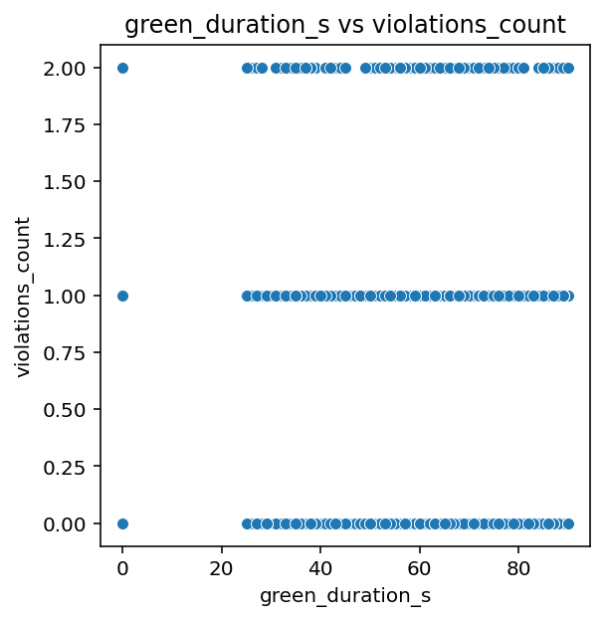 | No strong correlation between green_duration_s and violations_count. | No preprocessing required; variables show independence
red_duration_s | mean: 44.4273 median:41.5 mode:0 | Mean is higher than median with mode at 0, indicating right skew with many zero values and some high outliers. | Handle zero values and outliers carefully; transformation (e.g., log) may be useful. | variance:1884.7350 standard devition:43.4135 range:120 | The data shows extremely high variability (std ≈ 43.41) with a very wide range, indicating strong dispersion and outliers. | Strong preprocessing required—handle outliers and apply scaling or transformation | skewness:0.2827 | Skewness ≈ 0.28 indicates a slight right-skewed distribution. | No significant preprocessing required; skewness is low. | kurtosis:-1.4734 | Kurtosis ≈ -1.47 indicates a strongly light-tailed (platykurtic) distribution with very few outliers. | No outlier treatment required; data is smooth and stable. | 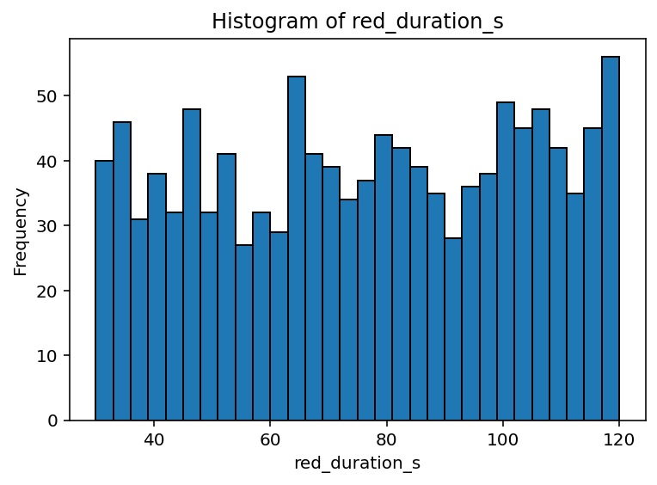 | The distribution is fairly uniform across 30–120 seconds with no strong skew. | No preprocessing required; distribution is stable and well-spread. | 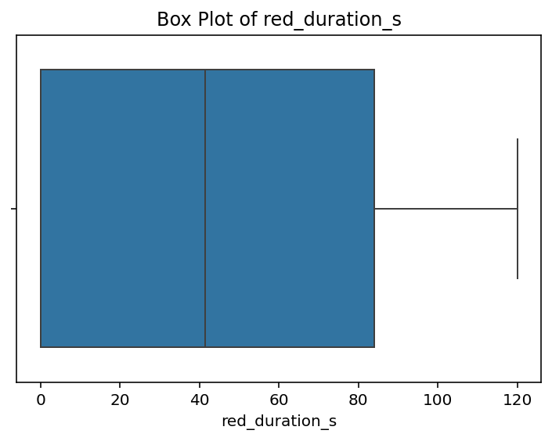 | The data shows moderate spread with slight right skew and no significant outliers. | No major preprocessing required; slight skewness can be handled if needed. | 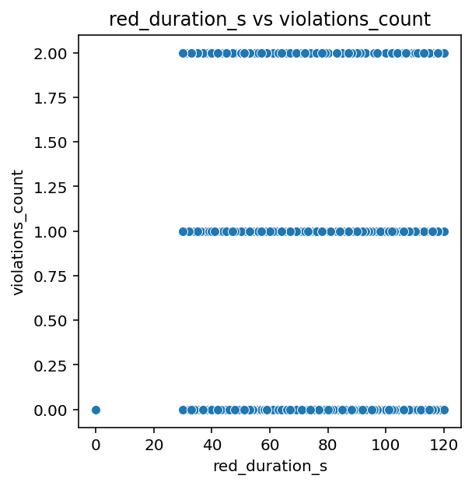 | No clear correlation between red_duration_s and violations_count. | No preprocessing required; variables are independent.
yellow_duration_s | mean: 3.2985 median:3.0 mode:0 | Mean is slightly higher than median with mode at 0, indicating mild right skew with some zero values. | Handle zero values appropriately and check for minor skewness. | variance:10.22540 standard devition:3.1977 range:10 | The data shows moderate variability (std ≈ 3.20) with a reasonable range. | Check for mild outliers; scaling may be useful depending on the model. | skewness:0.3112 | Skewness ≈ 0.31 indicates a slight right-skewed distribution. | No significant preprocessing required as skewness is low. | kurtosis:-1.274 | Kurtosis ≈ -1.27 indicates a strongly light-tailed (platykurtic) distribution with very few outliers. | No outlier treatment needed; data is smooth and stable. | 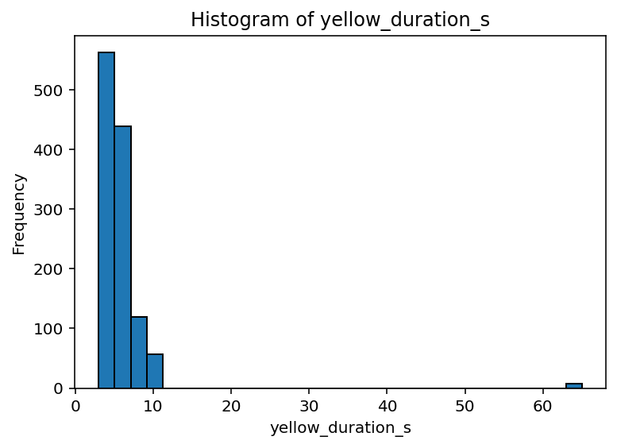 | The distribution is highly right-skewed with most values between 3–8 seconds and a few extreme outliers. | Handle outliers and consider capping extreme values for better modeling. | 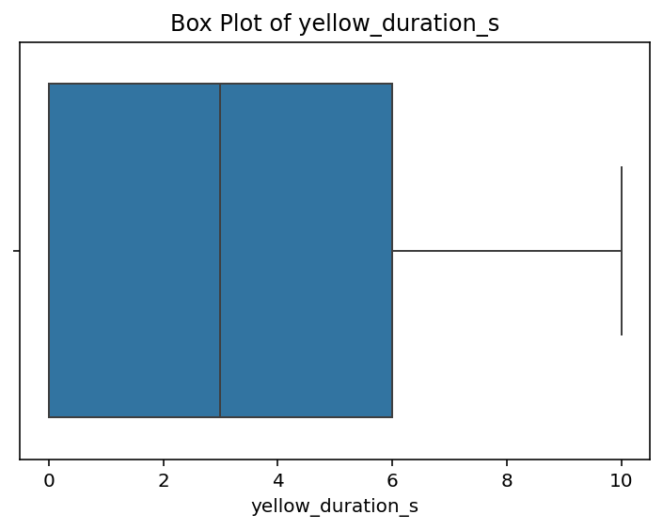 | The data is right-skewed with most values low (≈1–5 sec) and a few higher values extending the range. | Check for high-end values; minor skewness can be handled if needed. | 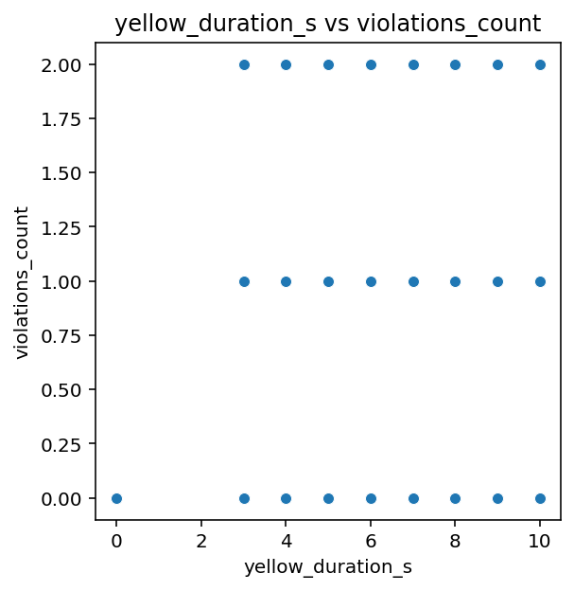 | No correlation between yellow_duration_s and violations_count. | No preprocessing required; variables are independent.
cycle_time_s | mean: 81.1327 median:103.0 mode:0 | Mean is much lower than median with mode at 0, indicating strong left skew with many zero values pulling the average down. | Carefully handle zero values and consider skewness treatment (e.g., transformation or segmentation). | variance:5502.562 standard devition:74.1792 range:211 | The data shows extremely high variability (std ≈ 74.18) with a very wide range, indicating strong dispersion and outliers. | Strong preprocessing required—handle outliers and apply scaling or transformation | skewness:0.0121 | Skewness ≈ 0.01 indicates an almost perfectly symmetric distribution. | No preprocessing required due to negligible skewness. | kurtosis:-1.6732 | Kurtosis ≈ -1.67 indicates a strongly light-tailed (platykurtic) distribution with almost no outliers. | No outlier handling needed; data is smooth and consistent. | 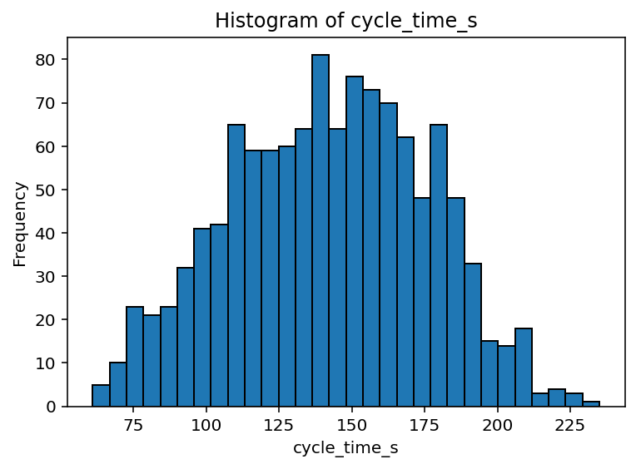 | The distribution is approximately normal with most values centered around 130–170 seconds. | No major preprocessing required; data is well-distributed and near-normal. | 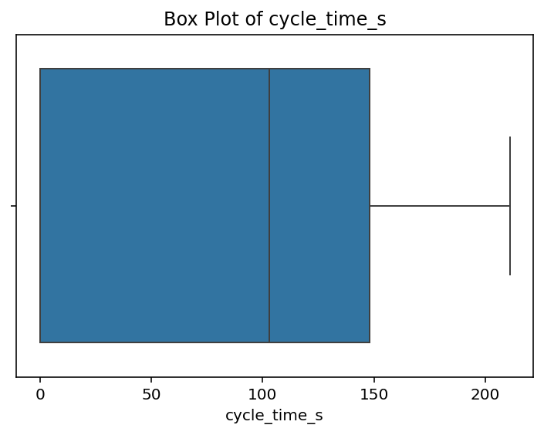 | The data is slightly right-skewed with a wide spread and no extreme outliers. | No major preprocessing required; slight skewness can be handled if needed. | 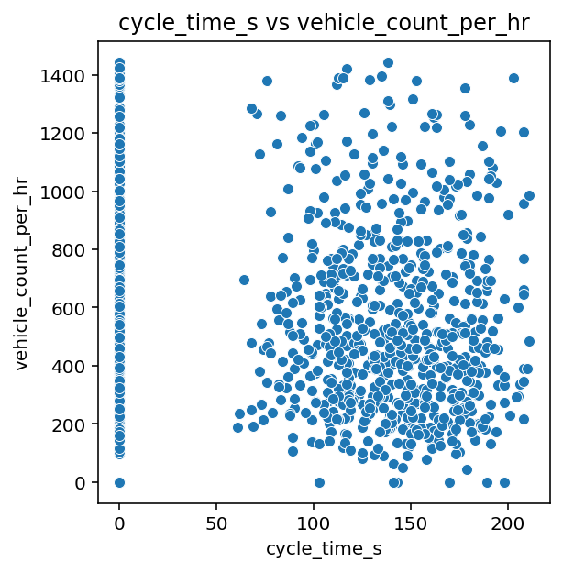 | No strong correlation between cycle_time_s and vehicle_count_per_hr, with scattered distribution. | Check for zero or invalid cycle times and handle them appropriately.
violations_count | mean: 0.43206 median:0.0 mode:0 | Median and mode are 0 with a higher mean, indicating a highly right-skewed distribution with many zeros and few positive values. | Handle zero inflation and consider transformation or segmentation for analysis. | variance:0.4558 standard devition:0.6751 range:2 | The data shows low variability (std ≈ 0.68) with a small range, indicating tightly clustered values. | No preprocessing required due to low variance and stable distribution. | skewness:1.2744 | Skewness ≈ 1.27 indicates a highly right-skewed distribution. | Apply transformation (e.g., log) and handle outliers due to high skewness. | kurtosis:0.2904 | Kurtosis ≈ 0.29 indicates a slightly heavy-tailed distribution with mild outliers. | Check for mild outliers; no major preprocessing required | 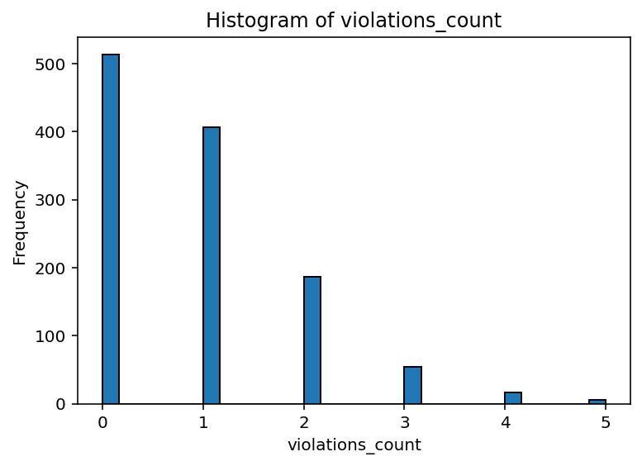 | The distribution is highly right-skewed with most values at 0–1 and very few higher counts. | Handle skewness and consider treating as categorical or applying transformation if needed. | 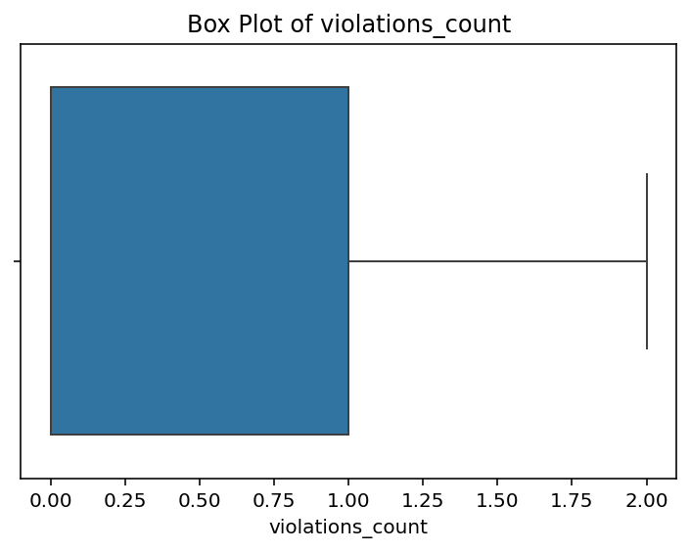 | The data is right-skewed with most values low (0–1) and a few higher values extending the range. | Handle skewness and consider treating as categorical or applying transformation if needed. |  | No correlation between vehicle_count_per_hr and violations_count (violations remain low across all traffic levels). | Treat violations as categorical/discrete; no major preprocessing needed.
vehicles_involved | mean: 0.0 median:0.0 mode:0 | All values are zero, indicating no variation in the data. | Drop this feature as it has zero variance and no analytical value. | variance:0.0 standard devition:0.0 range:0 | No variability (variance = 0), meaning all values are identical. | Drop the feature as it has zero variance and no analytical usefulness. | skewness:0.0 | Skewness = 0 indicates a perfectly symmetric distribution. | No preprocessing needed due to perfect symmetry. | kurtosis:0.0 | Kurtosis = 0 indicates a normal (mesokurtic) distribution. | No preprocessing needed; distribution is ideal for analysis. | 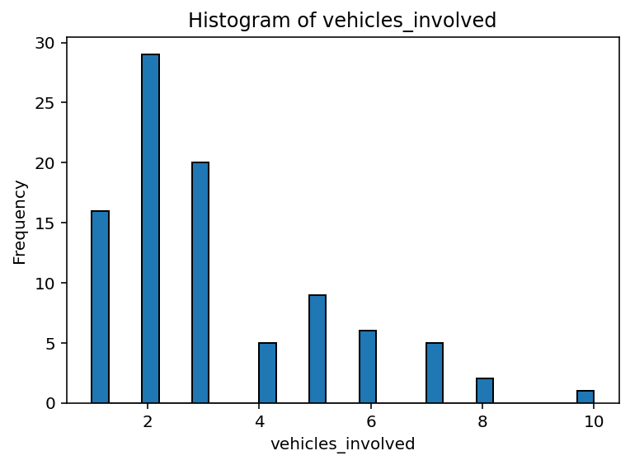 | The distribution is right-skewed with most values between 1–3 vehicles and few higher outliers. | Handle skewness and consider capping extreme values if needed. | 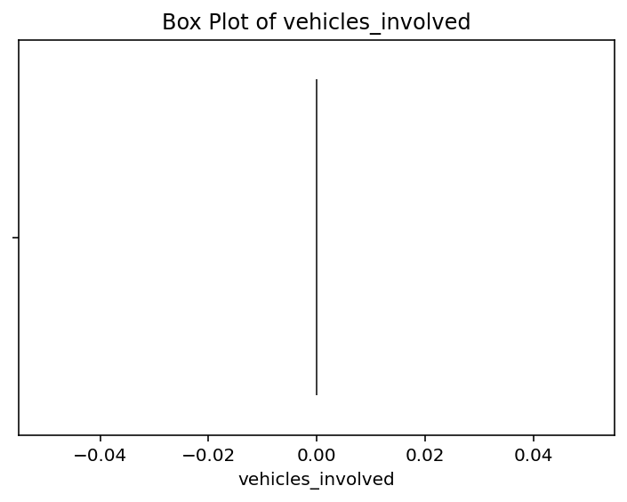 | The plot suggests near-zero or constant values with no visible spread. | Drop or re-evaluate this feature as it provides no useful information. | 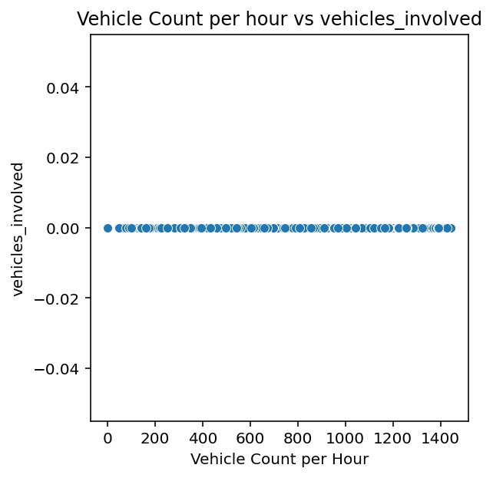 | No correlation and no variation (vehicles_involved is constant). | Drop the feature due to zero variance.
veh_count_at_accident | mean: 551.8475 median:484.0 mode:0 | Mean is much higher than median with mode at 0, indicating a highly right-skewed distribution with many zeros and some extreme high values. | Strong preprocessing needed—handle zero inflation, outliers, and consider transformations | variance:94457.1190 standard devition:307.3387 range:1445 | The data has extremely high variability (std ≈ 307.34) with a very large range, indicating strong dispersion and outliers. | Strong preprocessing required—detect outliers and apply scaling or transformation | skewness:0.7803 | Skewness ≈ 0.78 indicates a moderately right-skewed distribution. | Consider transformation (e.g., log) to reduce skewness for better modeling. | kurtosis:-0.0254 | Kurtosis ≈ -0.03 indicates an almost normal (mesokurtic) distribution. | No preprocessing required since distribution is close to normal. |  | The distribution is highly right-skewed with most values low and few extreme high outliers. | Handle outliers and apply log transformation due to strong skewness. | 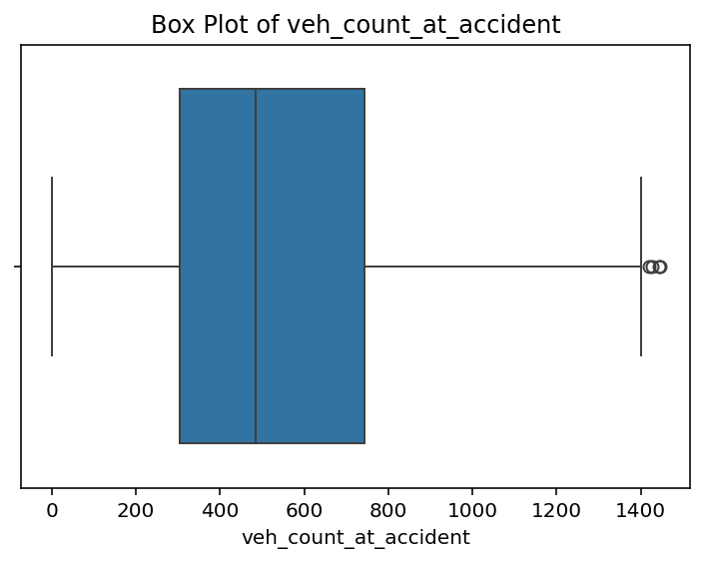 | The data is right-skewed with several high-value outliers beyond the upper range. | Handle outliers and consider log transformation due to skewness. | 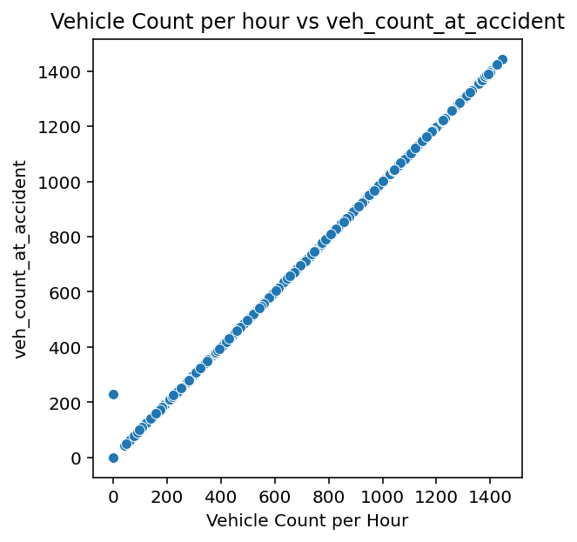 | There is a perfect positive correlation (linear relationship) between vehicle_count_per_hr and veh_count_at_accident. | Remove one feature to prevent multicollinearity.

